WinLoss Ratio
Win/Loss Ratio
Row Labels | Count of RESULT
- | 2
Loss | 20
Win | 10
Grand Total | 32

By Month
Result by Month
 | - | Loss | Win
Jan |  | 4 | 1
Apr | 1 | 2 | 2
May |  | 3 | 2
Jun | 1 | 1 | 2
Nov |  | 3
Dec |  | 3 | 2
Mar |  | 4 | 1
Count of RESULT | Column Labels
Row Labels | - | Loss | Win | Grand Total
2024
Jan |  | 4 | 1 | 5
Apr | 1 | 2 | 2 | 5
May |  | 3 | 2 | 5
Jun | 1 | 1 | 2 | 4
Nov |  | 3 |  | 3
Dec |  | 3 | 2 | 5
2025
Mar |  | 4 | 1 | 5
Grand Total | 2 | 20 | 10 | 32

By Venue
 | - | Loss | Win
Auckland |  | 1 | 1
Birmingham |  | 1
Brisbane |  | 1
Bulawayo |  | 1 | 2
Centurion |  | 1
Christchurch |  | 2 | 1
Dallas | 1
Dublin |  | 1 | 2
Dunedin |  | 2
Durban |  | 1
Hamilton |  | 1
Hobart |  | 1
Lahore |  | 1 | 1
Lauderhill |  |  | 1
Mount Maunganui |  | 1
New York |  | 1 | 1
Rawalpindi | 1 | 1 | 1
Sydney |  | 1
The Oval |  | 1
Wellington |  | 1
Count of RESULT | Column Labels
Row Labels | - | Loss | Win | Grand Total
Auckland |  | 1 | 1 | 2
Birmingham |  | 1 |  | 1
Brisbane |  | 1 |  | 1
Bulawayo |  | 1 | 2 | 3
Centurion |  | 1 |  | 1
Christchurch |  | 2 | 1 | 3
Dallas | 1 |  |  | 1
Dublin |  | 1 | 2 | 3
Dunedin |  | 2 |  | 2
Durban |  | 1 |  | 1
Hamilton |  | 1 |  | 1
Hobart |  | 1 |  | 1
Lahore |  | 1 | 1 | 2
Lauderhill |  |  | 1 | 1
Mount Maunganui |  | 1 |  | 1
New York |  | 1 | 1 | 2
Rawalpindi | 1 | 1 | 1 | 3
Sydney |  | 1 |  | 1
The Oval |  | 1 |  | 1
Wellington |  | 1 |  | 1
Grand Total | 2 | 20 | 10 | 32

Dashboard
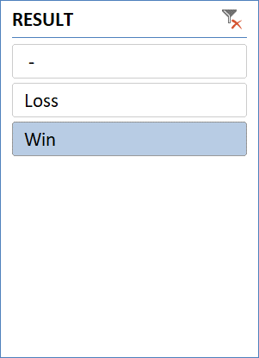
PAKISTAN T20 DASHBOARD 2024-2025

Win/Loss Ratio
 | Total
- | 2
Loss | 20
Win | 10
 | - | Loss | Win
Auckland |  | 1 | 1
Birmingham |  | 1
Brisbane |  | 1
Bulawayo |  | 1 | 2
Centurion |  | 1
Christchurch |  | 2 | 1
Dallas | 1
Dublin |  | 1 | 2
Dunedin |  | 2
Durban |  | 1
Hamilton |  | 1
Hobart |  | 1
Lahore |  | 1 | 1
Lauderhill |  |  | 1
Mount Maunganui |  | 1
New York |  | 1 | 1
Rawalpindi | 1 | 1 | 1
Sydney |  | 1
The Oval |  | 1
Wellington |  | 1
Result by Month
 | - | Loss | Win
Jan |  | 4 | 1
Apr | 1 | 2 | 2
May |  | 3 | 2
Jun | 1 | 1 | 2
Nov |  | 3
Dec |  | 3 | 2
Mar |  | 4 | 1

